Sheet1
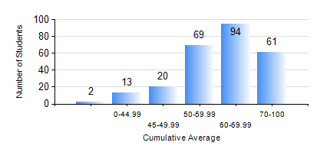
 |  |  | KWAME NKRUMAH UNIVERSITY OF SCIENCE AND TECHNOLOGY, KUMASI Department of Computer Engineering

 |  |  | BSC. COMPUTER ENG.

 |  |  | COMPREHENSIVE RECORD OF EXAMINATION RESULTS

 |  |  | RESULTS OF YEAR 1 FIRST SEMESTER, 2021/2022 ACADEMIC YEAR

 | Sn | Course Code |  | Course Name | Credit Hours | Min. Mark | Max. Mark | Avg. Mark | Std. Dev. | No. Passed | No. Trailed | No. (Df) | No. (I) | No. (I*) | No. Tagged(I,I*,Df) | Total
 | 0. |  |  |  |  |  |  | 0 | 0 | 0 | 0 | 0 | 0 | 0 | 0 | 3
 | 1. | CE 155 |  | ENVIRONMENTAL STUDIES | 2 | 0 | 84 | 59 | 9.2 | 254 | 2 | 0 | 0 | 0 | 0 | 256
 | 2. | COE 153 |  | ENGINEERING TECHNOLOGY | 2 | 0 | 98 | 72 | 13.52 | 255 | 1 | 0 | 0 | 0 | 0 | 256
 | 3. | EE 151 |  | APPLIED ELECTRICITY | 3 | 0 | 89 | 44 | 20.03 | 202 | 54 | 0 | 0 | 0 | 0 | 256
 | 4. | ENGL 157 |  | COMMUNICATION SKILLS I | 2 | 0 | 87 | 62 | 11.21 | 254 | 2 | 0 | 0 | 0 | 0 | 256
 | 5. | MATH 151 |  | ALGEBRA | 4 | 0 | 91 | 72 | 10.18 | 254 | 2 | 0 | 0 | 0 | 0 | 256
 | 6. | ME 159 |  | TECHNICAL DRAWING | 2 | 0 | 85 | 59 | 12.46 | 246 | 9 | 0 | 1 | 0 | 1 | 256
 | 7. | ME 161 |  | BASIC MECHANICS | 3 | 0 | 93 | 66 | 15.87 | 250 | 6 | 0 | 0 | 0 | 0 | 256

